Risk Register
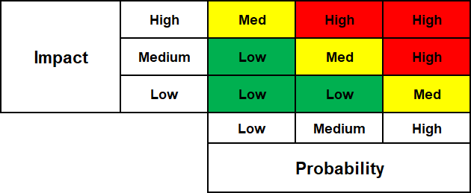
[Project Name]
- Monitor LOW scores Quarterly (risk has <33% chance of happening). - Monitor MEDIUM scores Monthly (risk has 33% - 66% chance of happening). - Monitor HIGH scores Weekly or Daily, depending on project impact (risk has >66% chance of happening). |  |  |  |  |  |  | Risk Matrix
Risk Score
Low 1 - 4 | Green indicates the risk level is low. The risk is not expected to impact other project metrics or overall project outcomes.
Med 5 - 9 | Yellow indicates some action or intervention may be needed. One or more risks may impact other project metrics or overall project outcomes.
High 10 - 25 | Red indicates significant action or intervention may be needed. One or more risks may impact other project metrics and overall project outcomes.
Risk Register
Risk # | Risk Description | Risk Assessment |  |  | Impact To: | Impact Details | Risk Owner | Risk Response
 |  | Impact (I) | Probability (P) | Risk Score (I*P)
[1] | [Project is during hurricane season.] | [5] | [3] | [15] |  | [Project team may need to shut down and/or evacuate to a back-up site which will delay the project by one or more weeks.] | [Bob Jones] | [Save all documents; discuss campus shut down and remote work procedures.] | Example only; please delete this row.
 |  |  |  | 0
 |  |  |  | 0
 |  |  |  | 0
 |  |  |  | 0
 |  |  |  | 0
 |  |  |  | 0
 |  |  |  | 0
 |  |  |  | 0
 |  |  |  | 0
 |  |  |  | 0
 |  |  |  | 0
 |  |  |  | 0
 |  |  |  | 0
 |  |  |  | 0
 |  |  |  | 0
 |  |  |  | 0
 |  |  |  | 0
 |  |  |  | 0
 |  |  |  | 0
 |  |  |  | 0
 |  |  |  | 0
 |  |  |  | 0

